Data
 | #REF!
 | 1
Valveshrouding of the inlet valve(s)

Enter your data in the yellow cells
Number of inlet valves | 1
valve size (mm) | 55
distance valve centerline - bore centerline (x-axis) | 0
distance valve centerline - bore centerline (y-axis) | 27.5
valve lift (mm) | 16
bore size (mm) | 115
Cvalve-Cbore (mm) | 27.5
Cvalve-Cvalve (mm) | 0
degrees canted x-axis (º) | 0
degrees canted y-axis (º) | 0
movement x-axis (mm) | 0
new C1-C2 and C1-C3 (mm) | 27.5
movement y-axis (mm) | 0
new C1-C2 and C1-C3 (mm) | 27.5

valve size as proportion of bore (min) 4 valves |  | 0.37
valve size as proportion of bore (min) 2 valves |  | 0.4

Different valve sizes, same lift
valve (bore) | valve (mm) | a (mm) | ∆ | α | A (mm2) | a+b+c | A | β° | δ° | φ (radianer) | C (mm2) | B (mm2) | unshrouded area as a function of valvesize | b | c | γ | number of inlet valves | valvelift (mm) | bore size
0.40 | 46.00 | 35.57 | 368.73093171 | 19.104973175 | 213.7351273 | 2175400 | 213.7351273 | 0 | 90 | 3.1415926536 | 0 | 3760.3795795 | 2098.48 | 57.5 | 27.5 | 0 | 1 | 16 | 115
0.41 | 47.15 | 36.20 | 389.40213052 | 20.252916457 | 253.34034155 | 2426144.308 | 253.34034155 | 0 | 90 | 3.1415926536 | 0 | 3862.7134848 | 2116.68 | 57.5 | 27.5 | 0 | 1 | 16 | 115
0.42 | 48.30 | 36.82 | 408.99157937 | 21.354683327 | 295.49979616 | 2676385.792 | 295.49979616 | 0 | 90 | 3.1415926536 | 0 | 3964.5705279 | 2132.32 | 57.5 | 27.5 | 0 | 1 | 16 | 115
0.43 | 49.45 | 37.45 | 427.6346699 | 22.417083329 | 340.15877797 | 2925942.5743 | 340.15877797 | 0 | 90 | 3.1415926536 | 0 | 4066.005422 | 2145.47 | 57.5 | 27.5 | 0 | 1 | 16 | 115
0.44 | 50.60 | 38.07 | 445.43729594 | 23.445468645 | 387.27326639 | 3174630.1539 | 387.27326639 | 0 | 90 | 3.1415926536 | 0 | 4167.0621876 | 2156.16 | 57.5 | 27.5 | 0 | 1 | 16 | 115
0.45 | 51.75 | 38.70 | 462.4838785 | 24.444132732 | 436.80769824 | 3422261.406 | 436.80769824 | 0 | 90 | 3.1415926536 | 0 | 4267.7763879 | 2164.43 | 57.5 | 27.5 | 0 | 1 | 16 | 115
0.46 | 52.90 | 39.32 | 478.8427836 | 25.416579235 | 488.73333123 | 3668646.5825 | 488.73333123 | 0 | 90 | 3.1415926536 | 0 | 4368.1767652 | 2170.31 | 57.5 | 27.5 | 0 | 1 | 16 | 115
0.47 | 54.05 | 39.94 | 494.57009815 | 26.365709264 | 543.02701648 | 3913593.3117 | 543.02701648 | 0 | 90 | 3.1415926536 | 0 | 4468.2864684 | 2173.82 | 57.5 | 27.5 | 0 | 1 | 16 | 115
0.48 | 55.20 | 40.56 | 509.71233299 | 27.293955375 | 599.67025884 | 4156906.5984 | 599.67025884 | 0 | 90 | 3.1415926536 | 0 | 4568.1239926 | 2174.98 | 57.5 | 27.5 | 0 | 1 | 16 | 115
Note: All values except valvesize taken from the yellow cells to the left

Different lift, same valve size
lyft (mm) | valve (mm) | a | ∆ | α | A (mm2) | a+b+c | A (mm2) | β° | δ° | φ (radianer) | C (mm2) | B (mm2) | unshrouded area as a function of valvelift | b | c | γ
1 | 55.00 | 28.48 | #NUM! | #NUM! | #NUM! | -569220.3125 | 0 | 0 | 90 | 3.1415926536 | 0 | 2548.6170402 | 172.79 | 57.5 | 27.5 | 0
2 | 55.00 | 29.43 | #NUM! | #NUM! | #NUM! | -214607.8125 | 0 | 0 | 90 | 3.1415926536 | 0 | 2721.4046362 | 345.58 | 57.5 | 27.5 | 0
3 | 55.00 | 30.35 | 91.499551741 | 4.6097722286 | 3.1378749856 | 133954.6875 | 3.1378749856 | 0 | 90 | 3.1415926536 | 0 | 2891.0543571 | 515.22 | 57.5 | 27.5 | 0
4 | 55.00 | 31.24 | 172.56650665 | 8.7321245983 | 21.161692592 | 476467.1875 | 21.161692592 | 0 | 90 | 3.1415926536 | 0 | 3045.8181355 | 669.99 | 57.5 | 27.5 | 0
5 | 55.00 | 32.11 | 225.40653378 | 11.456439237 | 47.432711973 | 812929.6875 | 47.432711973 | 0 | 90 | 3.1415926536 | 0 | 3192.334712 | 816.51 | 57.5 | 27.5 | 0
6 | 55.00 | 32.96 | 267.31795061 | 13.647344064 | 79.605849145 | 1143342.1875 | 79.605849145 | 0 | 90 | 3.1415926536 | 0 | 3332.9491708 | 957.12 | 57.5 | 27.5 | 0
7 | 55.00 | 33.78 | 302.87215615 | 15.532224567 | 116.54563675 | 1467704.6875 | 116.54563675 | 0 | 90 | 3.1415926536 | 0 | 3468.7969792 | 1092.97 | 57.5 | 27.5 | 0
8 | 55.00 | 34.59 | 334.10488506 | 17.211914478 | 157.54001421 | 1786017.1875 | 157.54001421 | 0 | 90 | 3.1415926536 | 0 | 3600.5901976 | 1224.76 | 57.5 | 27.5 | 0
9 | 55.00 | 35.37 | 362.1359972 | 18.741664814 | 202.08864837 | 2098279.6875 | 202.08864837 | 0 | 90 | 3.1415926536 | 0 | 3728.8291594 | 1353.00 | 57.5 | 27.5 | 0
10 | 55.00 | 36.14 | 387.66062699 | 20.155644371 | 249.81594285 | 2404492.1875 | 249.81594285 | 0 | 90 | 3.1415926536 | 0 | 3853.8894609 | 1478.06 | 57.5 | 27.5 | 0
11 | 55.00 | 36.90 | 411.14585972 | 21.476731595 | 300.42736573 | 2704654.6875 | 300.42736573 | 0 | 90 | 3.1415926536 | 0 | 3976.065634 | 1600.24 | 57.5 | 27.5 | 0
12 | 55.00 | 37.63 | 432.92372217 | 22.721135535 | 353.68466088 | 2998767.1875 | 353.68466088 | 0 | 90 | 3.1415926536 | 0 | 4095.5959348 | 1719.77 | 57.5 | 27.5 | 0
13 | 55.00 | 38.36 | 453.24039479 | 23.900836805 | 409.39054305 | 3286829.6875 | 409.39054305 | 0 | 90 | 3.1415926536 | 0 | 4212.6776485 | 1836.85 | 57.5 | 27.5 | 0
14 | 55.00 | 39.07 | 472.28448706 | 25.024987512 | 467.37864886 | 3568842.1875 | 467.37864886 | 0 | 90 | 3.1415926536 | 0 | 4327.4771387 | 1951.65 | 57.5 | 27.5 | 0
15 | 55.00 | 39.76 | 490.20433797 | 26.100766272 | 527.50662058 | 3844804.6875 | 527.50662058 | 0 | 90 | 3.1415926536 | 0 | 4440.1367629 | 2064.31 | 57.5 | 27.5 | 0
16 | 55.00 | 40.45 | 507.11914204 | 27.133927102 | 589.65116592 | 4114717.1875 | 589.65116592 | 0 | 90 | 3.1415926536 | 0 | 4550.7798135 | 2174.95 | 57.5 | 27.5 | 0
0 | 0.00 | 0.00 | #NUM! | #NUM! | #NUM! | -6502500 | 0 | 0 | 90 | 3.1415926536 | 0 | 0 | 0.00 | 57.5 | 27.5 | 0
0 | 0.00 | 0.00 | #NUM! | #NUM! | #NUM! | -6502500 | 0 | 0 | 90 | 3.1415926536 | 0 | 0 | 0.00 | 57.5 | 27.5 | 0
0 | 0.00 | 0.00 | #NUM! | #NUM! | #NUM! | -6502500 | 0 | 0 | 90 | 3.1415926536 | 0 | 0 | 0.00 | 57.5 | 27.5 | 0
0 | 0.00 | 0.00 | #NUM! | #NUM! | #NUM! | -6502500 | 0 | 0 | 90 | 3.1415926536 | 0 | 0 | 0.00 | 57.5 | 27.5 | 0

Calculations and assumptions
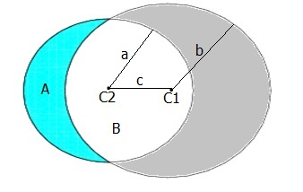
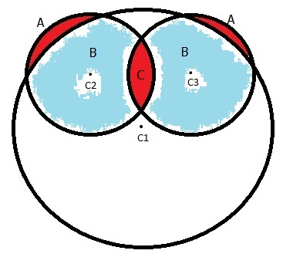
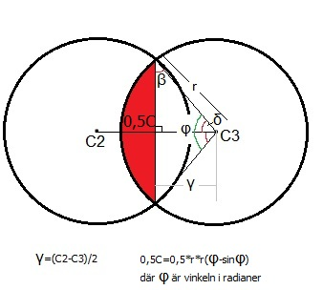
The calculations are based on the assumption that the real valve size equals that of the valve itself and the curtain it opens at a certain lift.
The unshrouded area calculated is the area mentioned above minus the valve itself.

